Sheet1
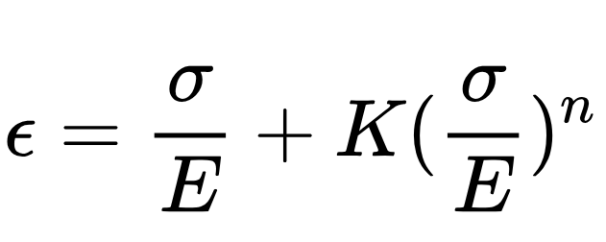
Strain | Stress(MPa)
0 | 0
0.0035265728155 | 360
0.0042087719893 | 370
0.0050901909867 | 380
0.0062256240597 | 390
0.0076829021893 | 400 | Symbol | Value
0.0095455375522 | 410 | ԑ(Strain) | Variable
0.011915816644 | 420 | σ(Stress) | Variable
0.014918404067 | 430 | E | 206000MPa
0.018704525717 | 440 | K | 0.001779
0.023456807339 | 450 | n | 11.2
0.029394852287 | 460
0.036781650689 | 470
0.045930921309 | 480
0.057215497073 | 490
0.071076875624 | 500
0.088036067378 | 510
0.10870588542 | 520
0.13380483424 | 530

